Sheet1
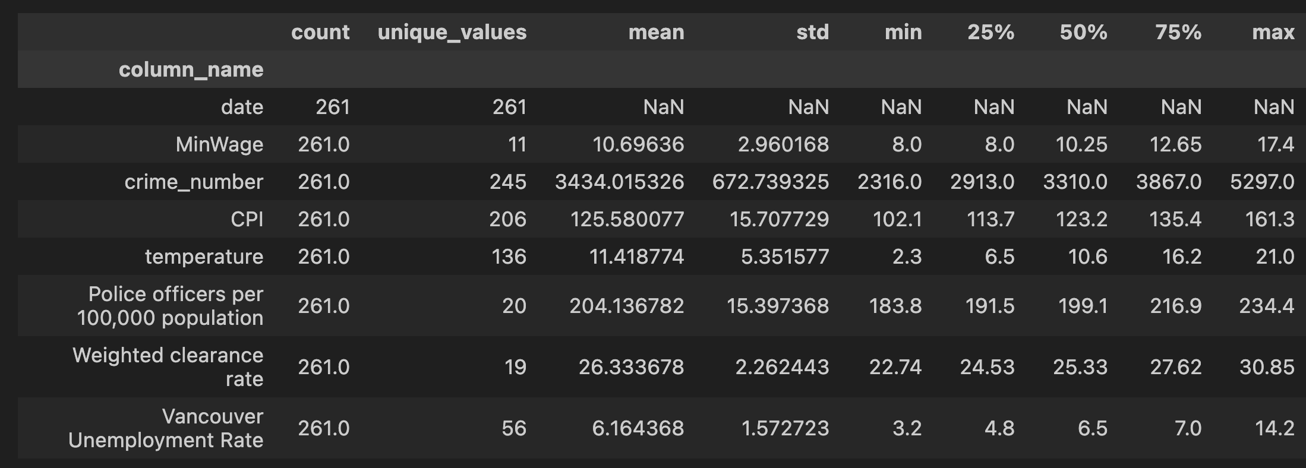
Variables | N | Minimum | Maximum | Mean | Std. Deviation
Main Variable
crime_number | 261 | 2316 | 5297 | 3434.01 | 672.74
Control Variable
MinWage | 261 | 8 | 17.4 | 10.7 | 2.96
CPI | 261 | 102.1 | 161.3 | 125.58 | 15.71
temperature | 261 | 2.3 | 21 | 11.42 | 5.35
Police officers per 100,000 population | 261 | 183.8 | 234.4 | 204.14 | 15.4
Weighted clearance rate | 261 | 22.74 | 30.85 | 26.33 | 2.26
Vancouver Unemployment Rate | 261 | 3.2 | 14.2 | 6.16 | 1.57

